Sheet1
Pictures | Product name | Item No. | Stock qty | Unit | Colors | Material | Product size | QTY/ CTNS | TTL CTNS | Packing | CBM/ set | TTL CBM | QTY/ 40HQ | Unit price (US$) | FOB Port | Original for | Lead time
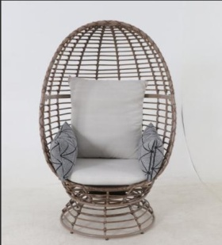 | Swivel Egg chair | Z2511045 | 477 | pc | Brown Chair & Beige Cushions | Steel Frame | 77*83*147cm/ 20.23kg | 1 | 477 | 88.26*77.47*79.375 cm / 26.35 kg | 0.5427 | 258.8679 | 120 | $79.00 | Ningbo | USA | Packed,ready to ship

